Rectangular_duct
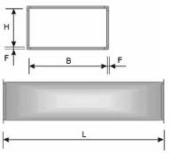
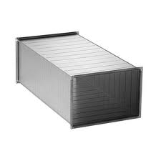

 |  | Rectangular duct

 |  |  |  |  |  |  |  | Standard length L=1250 mm
H B | 100 | 150 | 200 | 250 | 300 | 350 | 400 | 450 | 500 | 600 | 700 | 800 | 900 | 1000 | 1100 | 1200 | 1300 | 1400 | 1500 | 1600 | 1700 | 1800 | 1900 | 2000

100
150
200
250
300
350
400
450
500
600
700
800
900
1000
1100
1200
1300
1400
1500
1600
1700
1800
1900
2000

TGV

 |  |  |  | Welcome to our demo catalog!

 |  |  |  | Here you can browse through our product range. Please note that prices are not listed in the catalog. To inquire about pricing and purchasing conditions, please contact us.

 |  |  |  | We guarantee individual approach to each customer. Rest assured, we can offer you a solution that suits your needs perfectly.

 |  |  |  | Thank you for your interest in our products. We are ready to answer all your questions and assist you in making the right choice.

Rectangular_offset
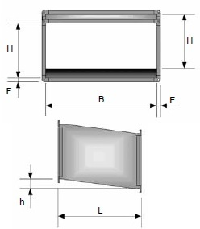
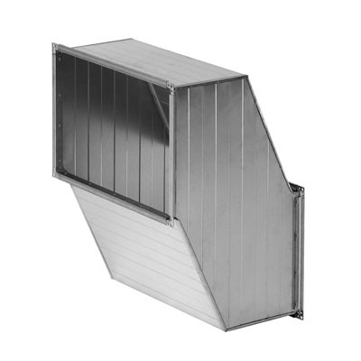

 | Rectangular offset

H B | 100 | 150 | 200 | 250 | 300 | 350 | 400 | 450 | 500 | 600 | 700 | 800 | 900 | 1000 | 1100 | 1200 | 1300 | 1400 | 1500 | 1600 | 1700 | 1800 | 1900 | 2000

100
150
200
300
350
400
450
500
600
700
800
900
1000
1100
1200
1300
1400
1500
1600
1700
1800
1900
2000

TSN

 |  | Welcome to our demo catalog!

 |  | Here you can browse through our product range. Please note that prices are not listed in the catalog. To inquire about pricing and purchasing conditions, please contact us.

 |  | We guarantee individual approach to each customer. Rest assured, we can offer you a solution that suits your needs perfectly.

 |  | Thank you for your interest in our products. We are ready to answer all your questions and assist you in making the right choice.

Rectangular_bend_45
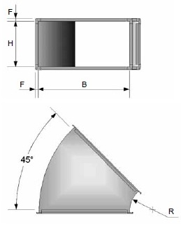
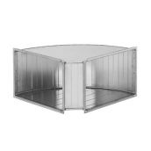

 | Rectangular bend 45°
 |  |  |  |  |  |  | Standard size R = 150 mm
 |  |  |  |  |  |  | When the edge length B ≤ 1500 mm, a flange is used L20
 |  |  |  |  |  |  | When the edge lengthB ≥ 1500 mm, a flange is used L30

B H | 100 | 150 | 200 | 250 | 300 | 350 | 400 | 450 | 500 | 600 | 700 | 800 | 900 | 1000 | 1100 | 1200 | 1300 | 1400 | 1500 | 1600 | 1700 | 1800 | 1900 | 2000

100
150
200
250
300
350
400
450
500
600
700
800
900
1000
1100
1200
1300
1400
1500
1600
1700
1800
1900
2000

TL45

Rectangular_bend_90
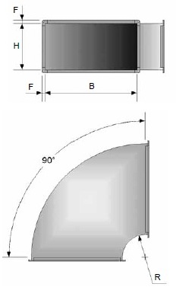


 | Rectangular bend 90°
 |  |  |  |  |  | Standard size R = 150 mm
 |  |  |  |  |  | When the edge length B ≤ 1500 mm,flange is usedL20
 |  |  |  |  |  | When the edge length B ≥ 1500 mm, flange is used L30

B H | 100 | 150 | 200 | 250 | 300 | 350 | 400 | 450 | 500 | 600 | 700 | 800 | 900 | 1000 | 1100 | 1200 | 1300 | 1400 | 1500 | 1600 | 1700 | 1800 | 1900 | 2000

100
150
200
250
300
350
400
450
500
600
700
800
900
1000
1100
1200
1300
1400
1500
1600
1700
1800
1900
2000

TL90

Rectangular_reducer
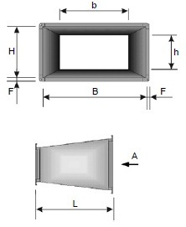
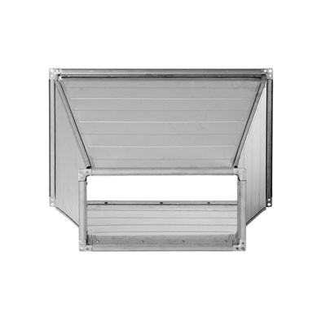
 |  |  |  |  |  |  |  |  | Standard length
 |  |  |  |  |  |  |  |  | when B,H ≤ 350 |  |  |  | L = 300 mm
 | Rectangular reducer |  |  |  |  |  |  |  | when B ≥ 400, H ≤ 700 |  |  |  | L = 450 mm
 |  |  |  |  |  |  |  |  | when B,H > 800 |  |  |  | L = 600 mm

H B | 100 | 150 | 200 | 250 | 300 | 350 | 400 | 450 | 500 | 600 | 700 | 800 | 900 | 1000 | 1100 | 1200 | 1300 | 1400 | 1500 | 1600 | 1700 | 1800 | 1900 | 2000

100
150
200
250
300
350
400
450
500
600
700
800
900
1000
1100
1200
1300
1400
1500
1600
1700
1800
1900
2000

TPT

reducer_to_round
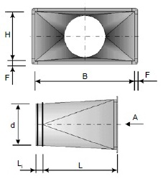
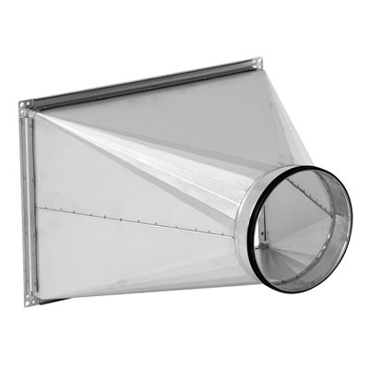
 |  |  |  |  |  |  | Standard length
 |  |  |  |  |  |  | when B,H ≤ 350 |  |  |  | L = 300 mm |  | when d ≤ H |  |  |  | L1 = 40 mm
 | Rectangular reducer to round |  |  |  |  |  | when B ≥ 400, H ≤ 700 |  |  |  | L = 450 mm |  | when 400 ≤ H |  |  |  | L1 = 65 mm
 |  |  |  |  |  |  | when B,H > 800 |  |  |  | L = 600 mm |  | when d ≤ H |  |  |  | L1 =100mm

H B | 100 | 150 | 200 | 250 | 300 | 350 | 400 | 450 | 500 | 600 | 700 | 800 | 900 | 1000 | 1100 | 1200 | 1300 | 1400 | 1500 | 1600 | 1700 | 1800 | 1900 | 2000

100
150
200
250
300
350
400
450
500
600
700
800
900
1000
1100
1200
1300
1400
1500
1600
1700
1800
1900
2000

TPA

Straight_saddle
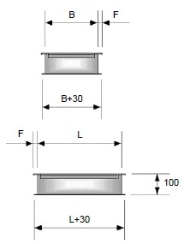
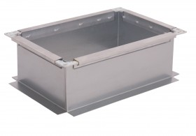

 | Straight saddle
 |  |  |  |  |  |  | When the edge length B ≤ 1500 mm,a flange is used L20
 |  |  |  |  |  |  | When the edge length B ≥ 1500 mm, a flange is used L30

L B | 100 | 150 | 200 | 250 | 300 | 350 | 400 | 450 | 500 | 600 | 700 | 800 | 900 | 1000 | 1100 | 1200 | 1300 | 1400 | 1500 | 1600 | 1700 | 1800 | 1900 | 2000

100
150
200
250
300
350
400
450
500
600
700
800
900
1000
1100
1200
1300
1400
1500
1600
1700
1800
1900
2000

TSPP

Saddle_circular
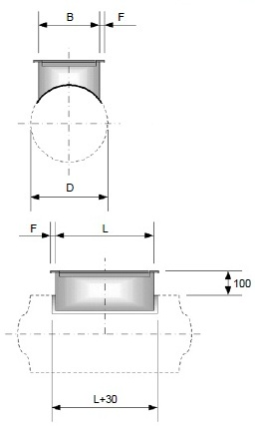
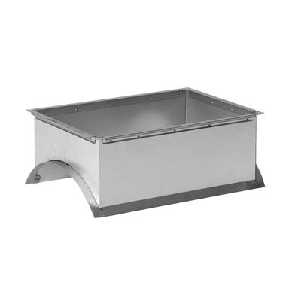

 | Saddle for a circular duct
 |  |  |  |  |  |  | When the edge length B ≤ 1500 mm, flange is used L20
 |  |  |  |  |  |  | When the edge length B ≥ 1500 mm, flange is used L30

L B | 100 | 150 | 200 | 250 | 300 | 350 | 400 | 450 | 500 | 600 | 700 | 800 | 900 | 1000 | 1100 | 1200 | 1300 | 1400 | 1500 | 1600 | 1700 | 1800 | 1900 | 2000

100
150
200
250
300
350
400
450
500
600
700
800
900
1000
1100
1200
1300
1400
1500

TSPA

End_cup
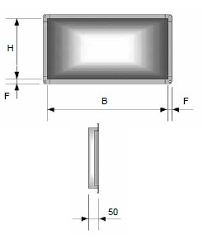
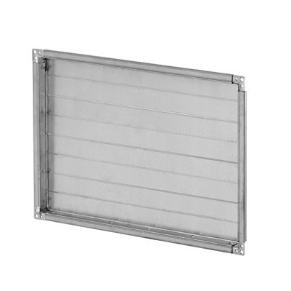

 |  |  |  | When the edge length B ≤ 1500 mm, flange is used L20
 | End cup |  |  | When the edge length B ≥ 1500 mm, flange is used L30

H B | 100 | 150 | 200 | 250 | 300 | 350 | 400 | 450 | 500 | 600 | 700 | 800 | 900 | 1000 | 1100 | 1200

100
150
200
250
300
350
400
450
500
600
700
800
900
1000
1100
1200
1300
1400
1500
1600
1700
1800
1900
2000

TK

Rectangular_damper
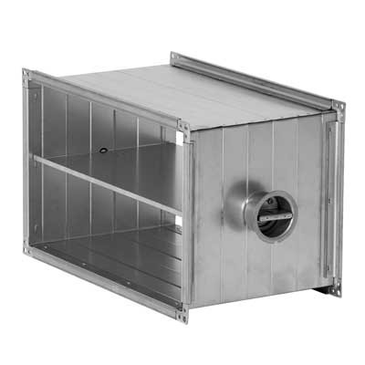
 | Rectangular damper

A B | 200 | 250 | 300 | 350 | 400 | 500 | 600 | 700 | 800 | 1000 | 1200 | 1400

300 |  |  |  |  |  |  |  |  |  |  |  |  | 25.63
400 |  |  |  |  |  |  |  |  |  |  |  |  | 30.10
500 |  |  |  |  |  |  |  |  |  |  |  |  | 30.10
600 |  |  |  |  |  |  |  |  |  |  |  |  | 32.33
700 |  |  |  |  |  |  |  |  |  |  |  |  | 34.56
800 |  |  |  |  |  |  |  |  |  |  |  |  | 37.68
1000 |  |  |  |  |  |  |  |  |  |  |  |  | 43.47
1200 |  |  |  |  |  |  |  |  |  |  |  |  | 59.53
1400

TRV

acoustic_silencers
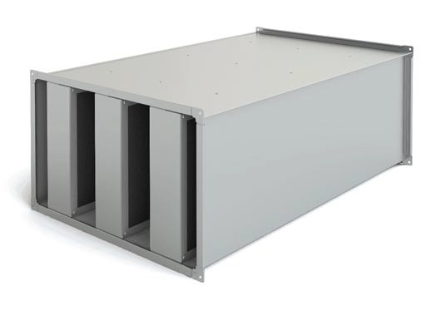
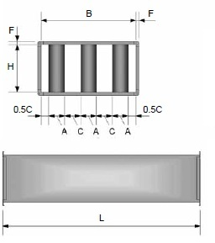

 | Rectangular acoustic silencers

 |  |  |  | Standard length L=1000 mm

H B | 300 | 400 | 500 | 600 | 700 | 800 | 900 | 1000 | 1100 | 1200 | 1300 | 1400 | 1500

300
400
500
600
700
800
900
1000
1100
1200
1300
1400
1500

TTS

air_outdoor_grill
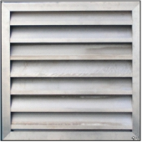
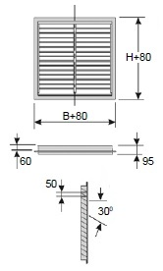

 | Rectangular air outdoor grill

H B | 100 | 150 | 200 | 300 | 400 | 500 | 600 | 700 | 800 | 900 | 1000 | 1100 | 1200 | 1400 | 1600 | 1800 | 2000

100
150
200
300
400
500
600
700
800
900
1000
1100
1200
1400
1600
1800
2000

TAR

intake_mesh
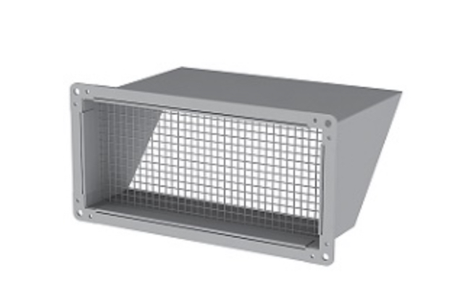

 | Air intake with mesh |  |  |  | When the edge length B ≤ 1500 mm, flange is used L20
 |  |  |  |  | When the edge length B ≥ 1500 mm, flange is used L30

H B | 100 | 200 | 250 | 300 | 350 | 400 | 450 | 500 | 600 | 700 | 800 | 900 | 1000 | 1100 | 1200

100
200
250
300
350
400
450
500
600
700
800
900
1000
1100
1200

TIU

adjustable_blade
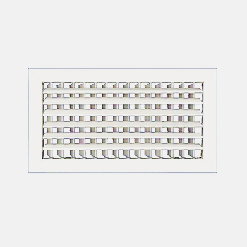

 | Inside air grille with adjustable blade

B H | 100 | 150 | 200 | 250 | 300 | 400

200

300

400

500

600

700

800
800
1000

IRAMT-N

adjustable_blade2
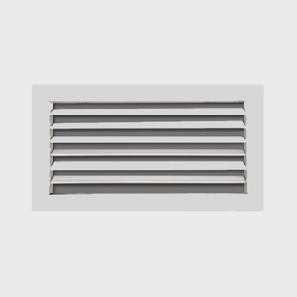

 | Inside grille with adjustable blade

B H | 100 | 150 | 200 | 250 | 300 | 400

200

300

400

500

600

700

800
800
1000

IRAMT-N

Damper_for_inside_grille
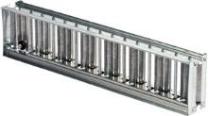

 | Damper for inside grille

B H | 100 | 150 |  | 200 | 250 | 300 | 400

200

300

400

500

600

700

800
800
1000

DIR

 |  |  | Welcome to our demo catalog!

 |  |  | Here you can browse through our product range. Please note that prices are not listed in the catalog. To inquire about pricing and purchasing conditions, please contact us.

 |  |  | We guarantee individual approach to each customer. Rest assured, we can offer you a solution that suits your needs perfectly.

 |  |  | Thank you for your interest in our products. We are ready to answer all your questions and assist you in making the right choice.

